02_PC Tech Company
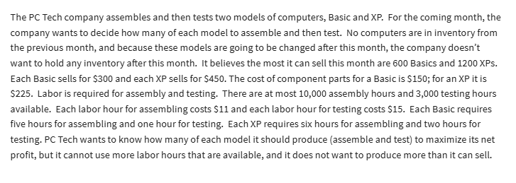
 | No of Basics | No of XPs
Variables | 560 | 1200 | dummy var

Objective (max) |  |  | Total
Revenue | $300.00 | $450.00 | $708,000.00
Costs
Parts | $150.00 | $225.00 | $354,000.00
Labor-Assem | 5 | 6 | $110,000.00 |  | 11 | for assembly
Labor-Testing | 1 | 2 | $44,400.00 |  | 15 | labor
Profit |  |  | $199,600.00

Constraints |  |  | LHS | Sign | RHS
at most 600 Basics | 1 |  | 560 | <= | 600.00
at most 1200 XPs |  | 1 | 1200 | <= | 1,200.00
Assembly hrs | 5 | 6 | 10000 | <= | 10,000.00
Testing hours | 1 | 2 | 2960 | <= | 3,000.00

03_Investment Alloc
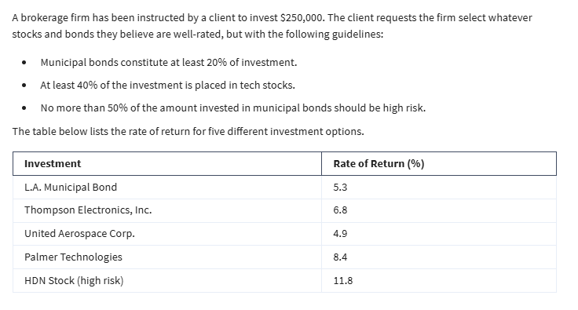
 | x1 | x2 | x3 | x4 | x5
Variables | 50000 | 0 | 0 | 175000 | 25000 | dummy
 | 5.30% | 6.80% | 4.90% | 8.40% | 11.80%

Objective: Max
Dollar returns | 20,300.00

Constraints | x1 | x2 | x3 | x4 | x5 | LHS | Sign | RHS
Budget | 1 | 1 | 1 | 1 | 1 | 250000 | <= | 250,000.00
Muni 20% | 1 |  |  |  |  | 50000 | >= | 50,000.00
Tech 40% |  | 1 | 1 | 1 |  | 175000 | >= | 100,000.00
no more 50% in high risk | -0.5 |  |  |  | 1 | 0 | <= | -

04_Busing problem
Transportation Problem
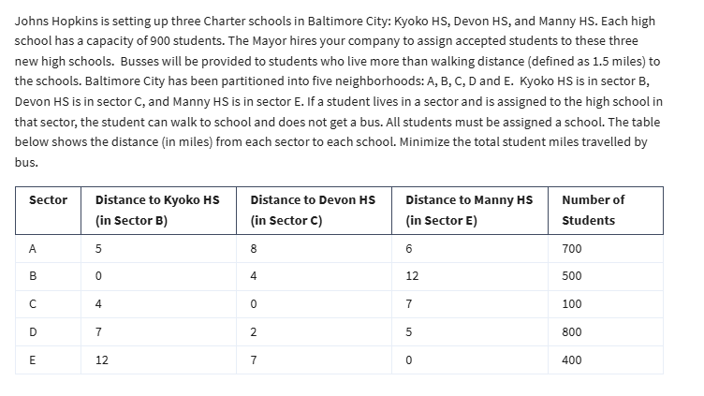

No of students assigned from A to HS in B
Variables | AB | AC | AE | BB | BC | BE | CB | CC | CE | DB | DC | DE | EB | EC | EE
 | 400 | 0 | 300 | 500 | 0 | 0 | 0 | 100 | 0 | 0 | 800 | 0 | 0 | 0 | 400 | dummy variables
 | 5 | 8 | 6 | 0 | 4 | 12 | 4 | 0 | 7 | 7 | 2 | 5 | 12 | 7 | 0 | miles travelled

Objective (min)
student bus miles | 5400

Constraints | AB | AC | AE | BB | BC | BE | CB | CC | CE | DB | DC | DE | EB | EC | EE | LHS | Sign | RHS
900 in school B | 1 |  |  | 1 |  |  | 1 |  |  | 1 |  |  | 1 |  |  | 900 | <= | 900
900 in school C |  | 1 |  |  | 1 |  |  | 1 |  |  | 1 |  |  | 1 |  | 900 | <= | 900
900 in school E |  |  | 1 |  |  | 1 |  |  | 1 |  |  | 1 |  |  | 1 | 700 | <= | 900
700 in A | 1 | 1 | 1 |  |  |  |  |  |  |  |  |  |  |  |  | 700 | = | 700
500 in B |  |  |  | 1 | 1 | 1 |  |  |  |  |  |  |  |  |  | 500 | = | 500
100 in C |  |  |  |  |  |  | 1 | 1 | 1 |  |  |  |  |  |  | 100 | = | 100
800 in D |  |  |  |  |  |  |  |  |  | 1 | 1 | 1 |  |  |  | 800 | = | 800
400 in E |  |  |  |  |  |  |  |  |  |  |  |  | 1 | 1 | 1 | 400 | = | 400

